Location Plan & Summary
Intelligent Data Collection Limited

Client: | Bristol City Council |  |  | Date of Survey: |  | 09.07.2015
Project Number: | ID02343 |  |  | Site Name: |  | Bannerman Road
Site Number: | ANPR Site 9 |  |  | Survey Type: |  | Two-way Link Count

X Coordinate |  | Y Coordinate |  |  | Google Maps Link
51.461763 |  | -2.566844 |  |  | Click Here
AM Peak Conditions |  | Inter-Peak Conditions |  |  | PM Peak Conditions
Clear and Sunny |  | Clear and Sunny |  |  | Clear and Sunny
Junction Layout

N
 |  |  |  |  |  | Arm B - Bannerman Rd (N)

 |  |  | Arm A - Bannerman Rd (S)

Aerial Mapping and On-site Camera View
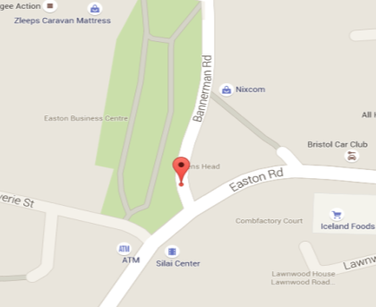

Arm B - Bannerman Rd (N)

Arm A - Bannerman Rd (S)

Junction Flow Profile
Arm Approach Flows (All Vehicles)
 | A to B (Northbound) | B to A (Southbound) | Two-way Total
7:00:00 | 3 | 10 | 13
7:15:00 | 3 | 5 | 8
7:30:00 | 4 | 9 | 13
7:45:00 | 6 | 21 | 27
8:00:00 | 8 | 15 | 23
8:15:00 | 13 | 21 | 34
8:30:00 | 16 | 19 | 35
8:45:00 | 15 | 16 | 31
9:00:00 | 13 | 17 | 30
9:15:00 | 14 | 15 | 29
9:30:00 | 14 | 10 | 24
9:45:00 | 18 | 16 | 34
10:00:00 | 12 | 17 | 29
10:15:00 | 12 | 14 | 26
10:30:00 | 7 | 18 | 25
10:45:00 | 11 | 13 | 24
11:00:00 | 16 | 6 | 22
11:15:00 | 9 | 11 | 20
11:30:00 | 9 | 8 | 17
11:45:00 | 17 | 9 | 26
12:00:00 | 20 | 7 | 27
12:15:00 | 9 | 13 | 22
12:30:00 | 11 | 15 | 26
12:45:00 | 18 | 10 | 28
13:00:00 | 12 | 14 | 26
13:15:00 | 13 | 22 | 35
13:30:00 | 11 | 19 | 30
13:45:00 | 17 | 19 | 36
14:00:00 | 6 | 13 | 19
14:15:00 | 10 | 16 | 26
14:30:00 | 9 | 13 | 22
14:45:00 | 15 | 16 | 31
15:00:00 | 17 | 33 | 50
15:15:00 | 22 | 19 | 41
15:30:00 | 18 | 22 | 40
15:45:00 | 20 | 17 | 37
16:00:00 | 18 | 18 | 36
16:15:00 | 15 | 23 | 38
16:30:00 | 12 | 22 | 34
16:45:00 | 21 | 18 | 39
17:00:00 | 19 | 24 | 43
17:15:00 | 20 | 21 | 41
17:30:00 | 22 | 17 | 39
17:45:00 | 14 | 14 | 28
18:00:00 | 9 | 16 | 25
18:15:00 | 12 | 17 | 29
18:30:00 | 13 | 17 | 30
18:45:00 | 14 | 12 | 26

Additional Notes (Factors which may impact on survey results such as accidents, roadworks, special events):

